Chalmers riskbedömningsmodell
4
3
2
1
4
3
2
1
4
3
2
1
4
3
2
1
4
3
2
1
4
3
2
1
4
3
2
1
4
3
2
1
Definition | Probability |  | Definition | Consequence |  | Consequence |  | Consequence
 | Dimension | Level |  | Working environment | Level | Security | Level | Environment | Level
Almost certain | The event is expected to occur under almost all conditions • The event occurs, we know it will happen • The event can occur at any time | 4 | Very serious | • Accident that results in death • Very serious personal injury with permanent negative impact on health and ability to work • Long-term sick leave (> 3 months) | 4 | • Extensive destruction/damage to buildings, premises and laboratories • Operations-critical IT systems wiped out or unusable • Major financial losses* - more than 7.5% of turnover • Loss or dissemination of information that has very serious consequences for operations | 4 | • Long-term or permanent very serious impact on ecologically important parts of the external environment | 4
Likely | The event is likely to occur under most conditions • The type of event is generally known to occur • Can be expected to occur at least once during the upcoming 12-month period | 3 | Serious | • Significant/serious personal injury with risk of permanent negative impact on health and ability to work • Personal injury that leads to prolonged sick leave (>7 days - < 3 months) | 3 | • Damage to buildings, premises and laboratories that prevents them from being used as required • Disruptions in operations-critical IT systems • Financial losses* between 1% and 7.5% of turnover • Loss or dissemination of information that has serious consequences for operations | 3 | • Medium or long-term serious impact on a significant part of the external environment (<3 years' recovery time) | 3
Less likely | The event could occur on a few isolated occasions • There are several known cases of the event • Could occur within the next 3–5 years | 2 | Minor | • Minor personal injury that requires first-aid treatment or other medical treatment • Personal injury that results in short-term impact on health and the ability to work • Personal injury that leads to sick leave of maximum 7 days | 2 | • Individual buildings or laboratories are temporarily unavailable • Operations-critical IT systems require maintenance/replacement • Minor financial loss* – 0.1% to 1% of turnover • Loss or dissemination of information that has only minor consequences for operations | 2 | • Short-term serious impact on the external environment | 2
Unlikely | The event could only occur under exceptional circumstances • The event has never occurred before or there are only a few isolated known cases of the event • Not expected to occur in the foreseeable future | 1 | Insignificant | • Minor personal injuries that do not require first-aid treatment; minor temporary impact on health and the ability to work • Minor personal injuries with small, temporary impact on health and the ability to work • Near-accident without personal injury | 1 | • Individual buildings and laboratories require action • Operations-critical IT systems are subjected to normal operational disruptions or maintenance • Small financial losses* < 0.1% of turnover • Loss or dissemination of information that has insignificant consequences for operations | 1 | • Incidents or near-accidents with no or extremely limited impact on the external environment | 1
* The term financial losses is given a broad definition, an actual and realised cost, an estimated cost, a loss of revenue, a loss of efficiency with known effect, etc

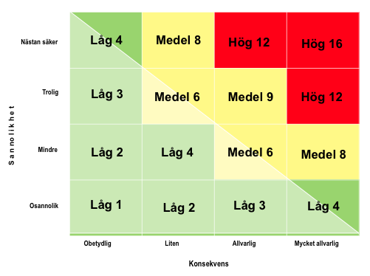
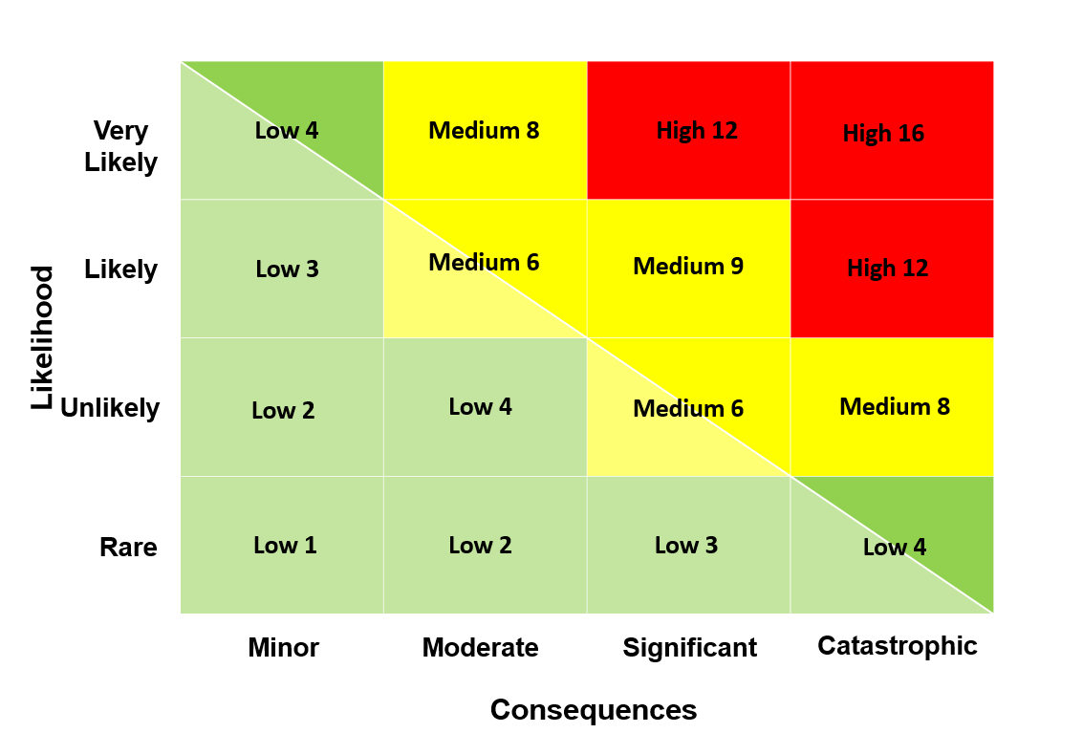

Risk value
Low risk | 1 - 5
Medium risk | 6 - 9
High risk | 10 - 16
Risk value is the product of probability x consequence

